Instructions
Thank you for Your Continues Effort,
kindly check bellow sheets [ Company Name ] & [ List ] and Fill It according to your MEBIT Distributor HQ Organization Structure.
[ Required ]
Step 1- On sheet [ Company Name ] rename the sheet to your company name.
Step 2 - On the same sheet input your Dist. HQ BIT Organization Structure Details
- Photo.
- Full Name.
- Division .
- Job Title.
- Email Address.
- Contact Number
- Selected Window Person [ Communicating with MEBIT Team & Organizer of operational Decision]
Step 3 - [ List ] Sheet will automatically reflect the information from [ Company Name] . Please Check for Final Confirmation.
Please ensure submit this document by [January 28th 2019].
To : hayman_hasan@mail.toyota.co.jp CC: [ MECAD Country Person in Charge ]

Toyota-Iraq
Dealer Development
BIT Organization Chart |  |  | BIT Organizers |  |  | BIT Team Leaders
Supervisor |  |  |  | BIT Organizers |  |  | Commercial Management
Full Name | Shinsuke Fujimoto | 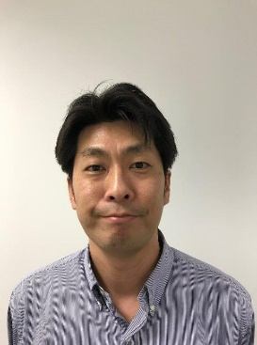 Picture | Full Name | Gerald Foerster | 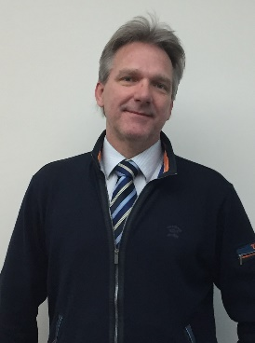 Picture | Full Name | Gerald Foerster | Picture
Division |  |  | Division | After Sales / Dealer Development |  | Division | After Sales / Dealer Development
Job Title | CEO |  | Job Title | CAO |  | Job Title | CAO
E-Mail | shinsuke.fujimoto@toyota.iq |  | E-Mail | gerald.foerster@toyota.iq |  | E-Mail | gerald.foerster@toyota.iq
Contact Number | 00964-750-1389999 |  | Contact Number | 00964-750-1449901 |  | Contact Number | 00964-750-1449901

 |  |  |  | BIT Organizers |  |  | HRD
 |  |  | Full Name | Kamal Sultan | 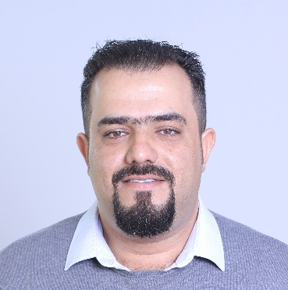 Picture | Full Name | Sarok Noori |  Picture
 |  |  | Division | Dealer Development |  | Division | Admin
 |  |  | Job Title | Asst. Manager |  | Job Title | Manager
 |  |  | E-Mail | Kamal.Sultan@toyota.iq |  | E-Mail | sarok.noori@toyota.iq
 |  |  | Contact Number | 00964-750-4512741 |  | Contact Number | 00964-750-1420018

 |  |  |  | BIT Organizers |  |  | Sales
 |  |  | Full Name | Hayman Al Bebany | 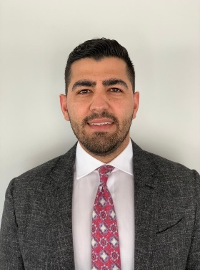 Picture | Full Name | Kamal Sultan |  Picture
 |  |  | Division | BITC |  | Division | Dealer Development
 |  |  | Job Title | Manager |  | Job Title | Asst. Manager
 |  |  | E-Mail | hayman.albebany@toyota.iq |  | E-Mail | Kamal.Sultan@toyota.iq
 |  |  | Contact Number | 00964-750-7457314 |  | Contact Number | 00964-750-4512741

 |  |  |  | BIT Organizers |  |  | Service
 |  |  | Full Name | Ernesto Silastre | 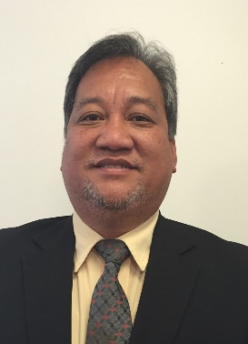 Picture | Full Name | Taha Shehani | Picture
 |  |  | Division | Customer Service & Training Dept. |  | Division | Field Operation Section
 |  |  | Job Title | General Manager |  | Job Title | Manager
 |  |  | E-Mail | ernesto.silastre@toyota.iq |  | E-Mail | Taha.shihani@toyota.iq
 |  |  | Contact Number | 00964-751-1228033 |  | Contact Number | 00964-750-3230442

 |  |  |  |  |  |  | Parts
 |  |  |  |  |  | Full Name | xenofon Mousadis | 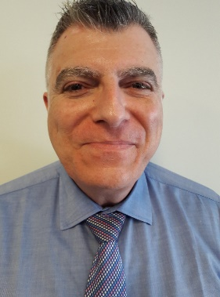 Picture
 |  |  |  |  |  | Division | Service & Parts Field
 |  |  |  |  |  | Job Title | General Manager
 |  |  |  |  |  | E-Mail | xenofon.mousadis@toyota.iq
 |  |  |  |  |  | Contact Number | 00964-751-7406191

 |  |  |  |  |  |  | CRM / Training
 |  |  |  |  |  | Full Name | Ernesto Silastre | Picture
 |  |  |  |  |  | Division | Customer Service & Training Dept.
 |  |  |  |  |  | Job Title | General Manager
 |  |  |  |  |  | E-Mail | ernesto.silastre@toyota.iq
 |  |  |  |  |  | Contact Number | 00964-751-1228033

 |  |  |  |  |  |  | Marketing
 |  |  |  |  |  | Full Name | Amer Salih | 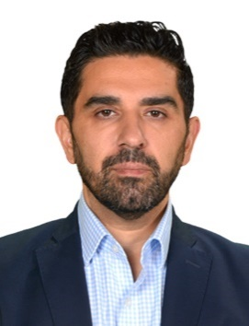 Picture
 |  |  |  |  |  | Division | Marketing
 |  |  |  |  |  | Job Title | General Manager
 |  |  |  |  |  | E-Mail | amer.salih@toyota.iq
 |  |  |  |  |  | Contact Number | 00964-750-7412424

 |  |  |  |  |  |  | Facility
 |  |  |  |  |  | Full Name | Ahmed Rashid |  Picture
 |  |  |  |  |  | Division | Dealer Development
 |  |  |  |  |  | Job Title | Specialist
 |  |  |  |  |  | E-Mail | ahmed.rashid@toyota.iq
 |  |  |  |  |  | Contact Number | 00964-750-8770220

 |  |  |  |  |  | Full Name |  | Picture
 |  |  |  |  |  | Division
 |  |  |  |  |  | Job Title
 |  |  |  |  |  | E-Mail
 |  |  |  |  |  | Contact Number

